Day111
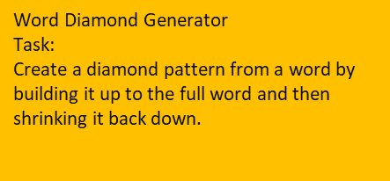
Text | Output
Excel | E
Challenge | Ex
Data | Exc
 | Exce
 | Excel
 | Exce
 | Exc
 | Ex
 | E
 | C
 | Ch
 | Cha
 | Chal | E | TRUE
 | Chall | Ex | TRUE
 | Challe | Exc | TRUE
 | Challen | Exce | TRUE
 | Challeng | Excel | TRUE
 | Challenge | Exce | TRUE
 | Challeng | Exc | TRUE
 | Challen | Ex | TRUE
 | Challe | E | TRUE
 | Chall | C | TRUE
 | Chal | Ch | TRUE
 | Cha | Cha | TRUE
 | Ch | Chal | TRUE
 | C | Chall | TRUE
 | D | Challe | TRUE
 | Da | Challen | TRUE
 | Dat | Challeng | TRUE
 | Data | Challenge | TRUE
 | Dat | Challeng | TRUE
 | Da | Challen | TRUE
 | D | Challe | TRUE
 |  | Chall | TRUE
 |  | Chal | TRUE
 |  | Cha | TRUE
 |  | Ch | TRUE
 |  | C | TRUE
 |  | D | TRUE
 |  | Da | TRUE
 |  | Dat | TRUE
 |  | Data | TRUE
 |  | Dat | TRUE
 |  | Da | TRUE
 |  | D | TRUE

Day110
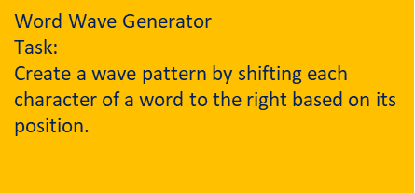
Text | Output
Excel
Challenge
Data

 |  | E
 |  | x
 |  | c
 |  | e
 |  | l
 |  | C
 |  | h
 |  | a
 |  | l
 |  | l
 |  | e
 |  | n
 |  | g
 |  | e
 |  | D
 |  | a
 |  | t
 |  | a

Day86
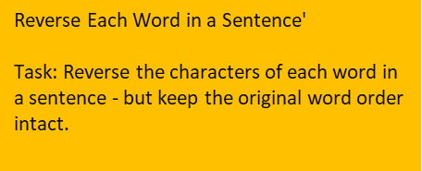
Sentence | Output
Excel is Fun | lecxE si nuF | lecxE si nuF | TRUE
Power Query Rocks | rewoP yreuQ skcoR | rewoP yreuQ skcoR | TRUE
Data Drives Decisions | ataD sevirD snoisiceD | ataD sevirD snoisiceD | TRUE
Learn Excel Daily | nraeL lecxE yliaD | nraeL lecxE yliaD | TRUE
The Formula Challenge | ehT alumroF egnellahC | ehT alumroF egnellahC | TRUE

Day85
Region | Product | Unit1-X | Unit2-X | Unit3-X | Sales | Profit | Unit1-Y | Unit2-Y | Unit3-Y | Sales | Profit
North | Alpha | 20 | 15 | 25 | 2600 | 420 | 22 | 18 | 16 | 1820 | 310
South | Beta | 30 | 25 | 35 | 3800 | 720 | 28 | 22 | 30 | 3550 | 640
East | Gamma | 18 | 24 | 20 | 2400 | 500 | 15 | 17 | 18 | 1950 | 330
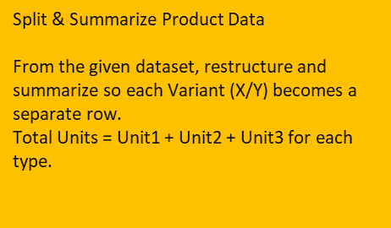

 | Output
 | Region | Product | Variant | Total Units | Sales | Profit
 | North | Alpha | X | 60 | 2600 | 420
 | South | Beta | X | 90 | 3800 | 720
 | East | Gamma | X | 62 | 2400 | 500
 | North | Alpha | Y | 56 | 1820 | 310
 | South | Beta | Y | 80 | 3550 | 640
 | East | Gamma | Y | 50 | 1950 | 330

 | Region | Product | Variant | Total Units | Sales | Profit
 | North | Alpha | X | 60 | 2600 | 420
 | South | Beta | X | 90 | 3800 | 720
 | East | Gamma | X | 62 | 2400 | 500
 | North | Alpha | Y | 56 | 1820 | 310
 | South | Beta | Y | 80 | 3550 | 640
 | East | Gamma | Y | 50 | 1950 | 330

 | TRUE | TRUE | TRUE | TRUE | TRUE | TRUE
 | TRUE | TRUE | TRUE | TRUE | TRUE | TRUE
 | TRUE | TRUE | TRUE | TRUE | TRUE | TRUE
 | TRUE | TRUE | TRUE | TRUE | TRUE | TRUE
 | TRUE | TRUE | TRUE | TRUE | TRUE | TRUE
 | TRUE | TRUE | TRUE | TRUE | TRUE | TRUE
 | TRUE | TRUE | TRUE | TRUE | TRUE | TRUE

Day81
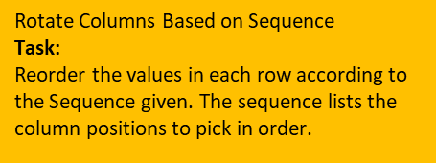
Col1 | Col2 | Col3 | Col4 | Sequence | Output
10 | 20 | 30 | 40 | 3,1,2,4 | 30, 10, 20, 40 | 30, 10, 20, 40 |  | TRUE
A | B | C | D | 2,3,1,4 | B, C, A, D | B, C, A, D |  | TRUE
5 | 10 | 15 | 20 | 4,3,2,1 | 20, 15, 10, 5 | 20, 15, 10, 5 |  | TRUE
X | Y | Z | W | 1,3,4,2 | X, Z, W, Y | X, Z, W, Y |  | TRUE
8 | 9 | 10 | 11 | 2,4,1,3 | 9, 11, 8, 10 | 9, 11, 8, 10 |  | TRUE
Blue | Red | Green | Yellow | 3,4,1,2 | Green, Yellow, Blue, Red | Green, Yellow, Blue, Red |  | TRUE
East | West | North | South | 4,1,2,3 | South, East, West, North | South, East, West, North |  | TRUE
Apple | Banana | Cherry | Mango | 2,4,3,1 | Banana, Mango, Cherry, Apple | Banana, Mango, Cherry, Apple |  | TRUE
25 | 50 | 75 | 100 | 1,2,4,3 | 25, 50, 100, 75 | 25, 50, 100, 75 |  | TRUE
P | Q | R | S | 2,1,4,3 | Q, P, S, R | Q, P, S, R |  | TRUE

 |  |  |  |  |  | 10 | 3
 |  |  |  |  |  | 20 | 1
 |  |  |  |  |  | 30 | 2
 |  |  |  |  |  | 40 | 4

 |  |  |  |  |  |  | 20
 |  |  |  |  |  |  | 30
 |  |  |  |  |  |  | 10
 |  |  |  |  |  |  | 40

Day80
Sentence | Output | Stop words
Excel makes learning fun | EMLF | a | EMLF | TRUE
Power Query for data analysis | PQDA | about | PQDA | TRUE
The art of problem solving | APS | above | APS | TRUE
Data and AI in action | DAA | after | DAA | TRUE
 |  | again
 |  | against
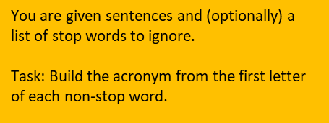
 |  | all
 |  | am
 |  | an
 |  | and
 |  | any
 |  | are
 |  | aren't
 |  | as
 |  | at
 |  | be
 |  | because
 |  | been
 |  | before
 |  | being
 |  | below
 |  | between
 |  | both
 |  | but
 |  | by
 |  | can
 |  | can't
 |  | cannot
 |  | could
 |  | couldn't
 |  | did
 |  | didn't
 |  | do
 |  | does
 |  | doesn't
 |  | doing
 |  | don't
 |  | down
 |  | during
 |  | each
 |  | few
 |  | for
 |  | from
 |  | further
 |  | had
 |  | hadn't
 |  | has
 |  | hasn't
 |  | have
 |  | haven't
 |  | having
 |  | he
 |  | he'd
 |  | he'll
 |  | he's
 |  | her
 |  | here
 |  | here's
 |  | hers
 |  | herself
 |  | him
 |  | himself
 |  | his
 |  | how
 |  | how's
 |  | i
 |  | i'd
 |  | i'll
 |  | i'm
 |  | i've
 |  | if
 |  | in
 |  | into
 |  | is
 |  | isn't
 |  | it
 |  | it's
 |  | its
 |  | itself
 |  | let's
 |  | me
 |  | more
 |  | most
 |  | mustn't
 |  | my
 |  | myself
 |  | no
 |  | nor
 |  | not
 |  | of
 |  | off
 |  | on
 |  | once
 |  | only
 |  | or
 |  | other
 |  | ought
 |  | our
 |  | ours
 |  | ourselves
 |  | out
 |  | over
 |  | own
 |  | same
 |  | shan't
 |  | she
 |  | she'd
 |  | she'll
 |  | she's
 |  | should
 |  | shouldn't
 |  | so
 |  | some
 |  | such
 |  | than
 |  | that
 |  | that's
 |  | the
 |  | their
 |  | theirs
 |  | them
 |  | themselves
 |  | then
 |  | there
 |  | there's
 |  | these
 |  | they
 |  | they'd
 |  | they'll
 |  | they're
 |  | they've
 |  | this
 |  | those
 |  | through
 |  | to
 |  | too
 |  | under
 |  | until
 |  | up
 |  | very
 |  | was
 |  | wasn't
 |  | we
 |  | we'd
 |  | we'll
 |  | we're
 |  | we've
 |  | were
 |  | weren't
 |  | what
 |  | what's
 |  | when
 |  | when's
 |  | where
 |  | where's
 |  | which
 |  | while
 |  | who
 |  | who's
 |  | whom
 |  | why
 |  | why's
 |  | with
 |  | won't
 |  | would
 |  | wouldn't
 |  | you
 |  | you'd
 |  | you'll
 |  | you're
 |  | you've
 |  | your
 |  | yours
 |  | yourself
 |  | yourselves

Day73
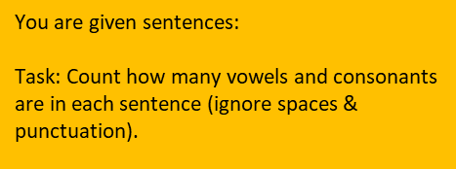
Sentence | Vowels | Consonants | Vowels | Consonants | TRUE | TRUE
Excel makes learning fun | 8 | 13 | 8 | 13 | TRUE | TRUE
Power Query is amazing | 8 | 11 | 8 | 11 | TRUE | TRUE
Data is powerful | 6 | 8 | 6 | 8 | TRUE | TRUE
The quick brown fox jumps over the lazy dog | 11 | 24 | 11 | 24 | TRUE | TRUE

Day72
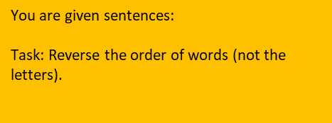
Sentence | Expected Output
Excel makes learning fun | fun learning makes Excel | fun learning makes Excel | TRUE
Power Query is amazing | amazing is Query Power | amazing is Query Power | TRUE
Data cleaning is important | important is cleaning Data | important is cleaning Data | TRUE
Practice makes you perfect | perfect you makes Practice | perfect you makes Practice | TRUE

Day71
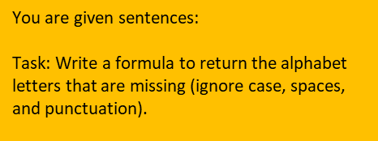
Sentence | Expected Output
The quick brown fox jumps over the lazy dog | it’s a pangram | it’s a pangram | TRUE
Pack my box with five dozen liquor jugs | it’s a pangram | it’s a pangram | TRUE
Sphinx of black quartz, judge my vow | it’s a pangram | it’s a pangram | TRUE
Excel makes life easy | bdghjnopqrtuvwz | bdghjnopqrtuvwz | TRUE
Data is powerful | bcghjkmnqvxyz | bcghjkmnqvxyz | TRUE
OpenAI builds AI models | cfghjkqrtvwxyz | cfghjkqrtvwxyz | TRUE
Hello World | abcfgijkmnpqstuvxyz | abcfgijkmnpqstuvxyz | TRUE
Keep practicing Excel | bdfhjmoqsuvwyz | bdfhjmoqsuvwyz | TRUE

Day70
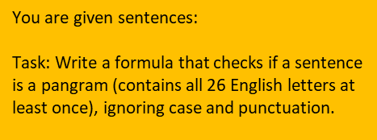
Sentence | Expected Output
The quick brown fox jumps over the lazy dog | TRUE | TRUE
Pack my box with five dozen liquor jugs | TRUE | TRUE
Sphinx of black quartz, judge my vow | TRUE | TRUE
Excel makes life easy | FALSE | FALSE
Data is powerful | FALSE | FALSE
OpenAI builds AI models | FALSE | FALSE

Day69
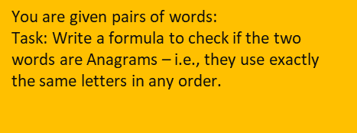
Word 1 | Word 2 | Output
LISTEN | SILENT | TRUE | TRUE
EXCEL | CELLS | FALSE | FALSE
DATA | DATE | FALSE | FALSE
STATE | TASTE | TRUE | TRUE
EARTH | HEART | TRUE | TRUE
SCHOOL | CHOOLS | TRUE | TRUE
POWER | PROVE | FALSE | FALSE

